Zendesk New Location - ENG
Title : Zendesk - New Location assignation CAN |  |  |  |  |  |  |  |  |  |  | Document type : Job aid
 |  |  |  |  |  |  |  |  |  |  | Document number :
Approver : Jean-François Paquette
Reviser : Customer Service : Vicky Rumney, Rose Pierre Sales Rep: Bonnie Todaro Transport: Martin Boissonneault, Martin Normand, Meliza Prescott, Charles-Olivier Voisard, Other: Nathalie Harvey, Maxime Gil-Blaquiere, Marisa Pasquale |  |  |  |  |  |  |  |  |  |  | Revision : Feb 2016
When you create a ticket, you have to assign a Location (District). It's important to choose the right Location because you can't change it. You can refer to the route numbers that the customer is usually served for the service, or you can use the Sales District (in AX). ( 1**Quebec, 2** Montreal, 5** St-Albert, 7** St-Rosalie) Sales District / AX AR module customer detail - general tab - customer area or Sales District / AX CRM module Business relation - general tab - section district The purpose of this assignation with helps to give responsibilities to the right person, for measures and to track historical request. Note : If an error occur, then you can assign to the right person and send CC.

 |  |  |  |  |  |  |  |  |  |  |  | 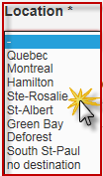

 |  |  | OPTION 1 : For customer/request regarding with only 1 Route Type; assign to the one above. |  |  |  | OPTION 2 : For customer/request regarding with few Route Type (type of service); assign to the Location in column : Multiple Services

BEFORE | NEW Route # / District |  | Sales District by Route Type |  | Restaurant Services G,B,T | Fat & Bones F,C,P | Dead Stock S | Organics Z | Multiples Services *** | District Naming:
114 | 714 | ROS |  |  |  |  |  |  |  | 1** MTL = Montreal 2** QUE = Qubec 5** STA = St-Albert 7** ROS = Ste-Rosalie
115 | 715 | ROS | 1 | Bas-Saint-Laurent | QUE | QUE | QUE | QUE | QUE
116 | 716 | ROS | 2 | Saguenay - Lac-Saint-Jean | QUE | QUE | QUE | QUE | QUE
118 | 718 | ROS | 3 | Québec | QUE | QUE | QUE | QUE | QUE
119 | 719 | ROS | 4 | Mauricie | QUE | QUE | QUE | MTL | QUE | *** IF an action is required for another District, the TRANSPORT assigned needs to create another ticket to assign the other Location
121 | 721 | ROS | 5 | Estrie | MTL | QUE | ROS | ROS | ROS
124 | 524 | STA | 6 | Montréal | MTL | MTL | ROS | MTL | MTL
125 | 525 | STA | 7 | Outaouais | STA | STA | STA | STA | MTL
126 | 526 | STA | 8 | Abitibi-Témiscamingue | MTL | MTL | MTL |  | MTL
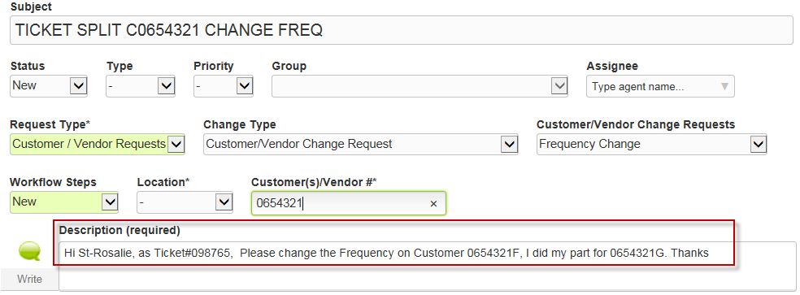
127 | 527 | STA | 9 | Charlevoix - Côte-Nord | QUE | QUE | QUE |  | QUE
128 | 528 | STA | 11 | Gaspésie - Îles-de-la-Madeleine | QUE | QUE |  |  | QUE
129 | 529 | STA | 12 | Chaudière-Appalaches | QUE | QUE | QUE | QUE | QUE
136 | 736 | ROS | 13 | Laval | MTL | MTL |  | MTL | MTL
143 | 743 | ROS | 14 | Lanaudière | MTL | MTL | ROS | MTL | MTL
144 | 744 | ROS | 15 | Laurentides | MTL | MTL | STA | MTL | MTL
160 | 760 | ROS | 16 | Montérégie | MTL | ROS | ROS | ROS | ROS
161 | 761 | ROS | 17 | Centre-du-Québec | MTL | QUE | QUE | ROS | QUE
162 | 762 | ROS | 20 | Machabee | STA | STA | STA |  | STA
163 | 763 | ROS | 22 | Algonquin Park Region | STA |  |  |  | STA
164 | 764 | ROS | 25 | Grand River County | STA |  |  |  | STA
165 | 765 | ROS | 28 | James Bay Frontier |  |  | MTL |  | MTL
211 | 511 | STA | 32 | Ottawa Region | STA | STA | STA | STA | STA
212 | 512 | STA | 33 | Ottawa Valley | STA | STA | STA | STA | STA
213 | 513 | STA | 36 | Southcentral Ontario | STA |  |  |  | STA
268 | 568 | STA | 38 | St. Lawrence Corridor | STA | STA | STA | MTL | STA
275 | 575 | STA | 53 | Nouveau Brunswick | QUE | QUE |  |  | QUE
285 | 585 | STA

